Load summary(updated)
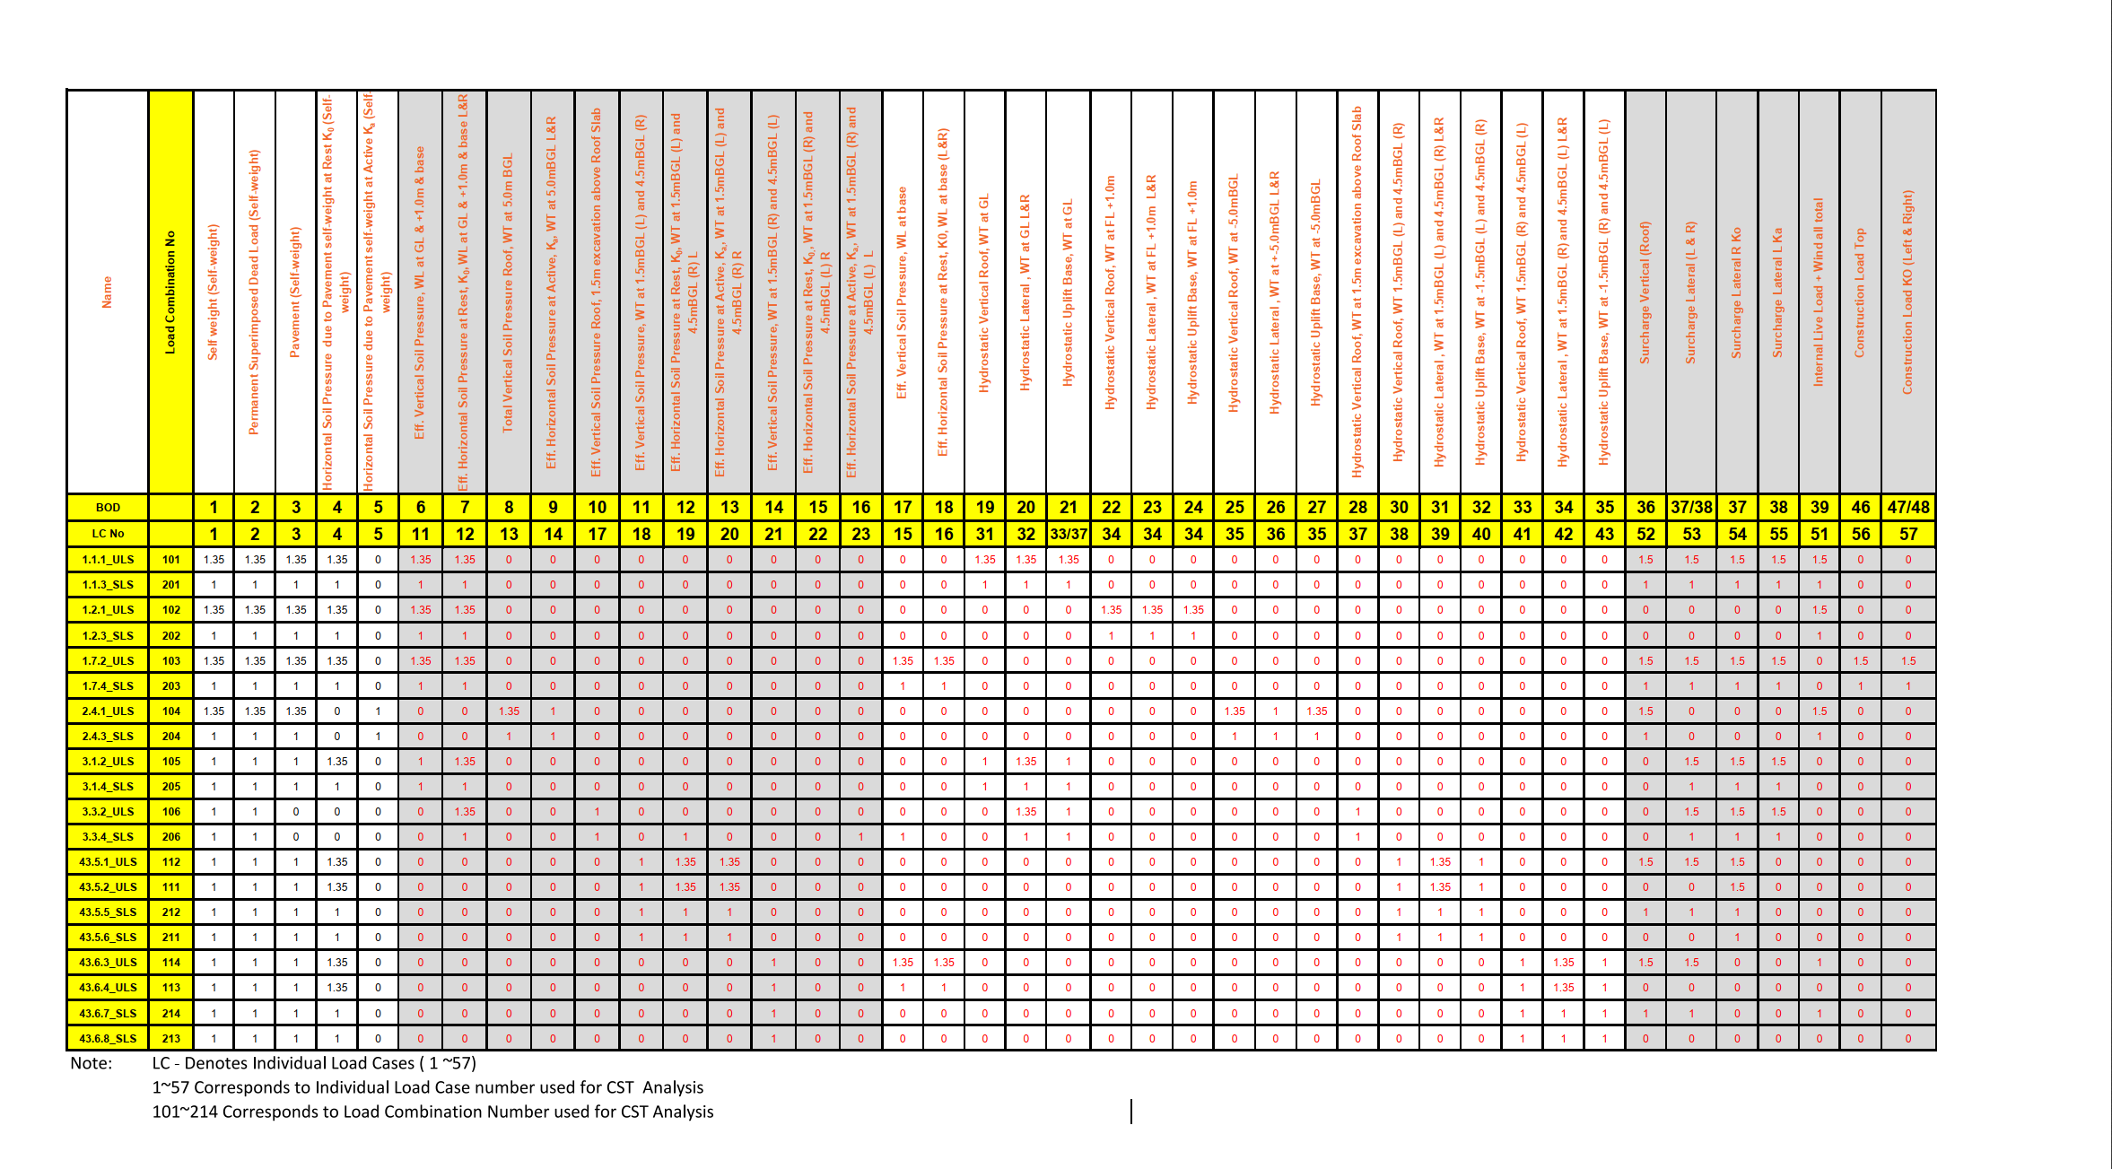
Load_Combination | load_case | 101 | 201 | 102 | 202 | 103 | 203 | 104 | 204 | 105 | 205 | 106 | 206 | 112 | 111 | 212 | 211 | 114 | 113 | 214 | 213 | UPL_ULS | UPL_SLS | Hori/vert | Type
Self weight (Self-weight) | 1 | 1.35 | 1 | 1.35 | 1 | 1.35 | 1 | 1.35 | 1 | 1 | 1 | 1 | 1 | 1 | 1 | 1 | 1 | 1 | 1 | 1 | 1 | 0.9 | 1 | vert | DL
Permanent Superimposed Dead Load (Self-weight) | 2 | 1.35 | 1 | 1.35 | 1 | 1.35 | 1 | 1.35 | 1 | 1 | 1 | 1 | 1 | 1 | 1 | 1 | 1 | 1 | 1 | 1 | 1 | 0 | 0 | vert | DL
Pavement (Self-weight) | 3 | 1.35 | 1 | 1.35 | 1 | 1.35 | 1 | 1.35 | 1 | 1 | 1 | 0 | 0 | 1 | 1 | 1 | 1 | 1 | 1 | 1 | 1 | 0 | 0 | vert | DL
Horizontal Soil Pressure due to Pavement self-weight at Rest K0 (Self- weight) | 4 | 1.35 | 1 | 1.35 | 1 | 1.35 | 1 | 0 | 0 | 1.35 | 1 | 0 | 0 | 1.35 | 1.35 | 1 | 1 | 1.35 | 1.35 | 1 | 1 | 0 | 0 | Hori | DL
Horizontal Soil Pressure due to Pavement self-weight at Active Ka (Self- weight) | 5 | 0 | 0 | 0 | 0 | 0 | 0 | 1 | 1 | 0 | 0 | 0 | 0 | 0 | 0 | 0 | 0 | 0 | 0 | 0 | 0 | 0 | 0 | Hori | DL
Eff. Vertical Soil Pressure, WL at GL & +1.0m & base | 11 | 1.35 | 1 | 1.35 | 1 | 0 | 0 | 0 | 0 | 1 | 1 | 0 | 0 | 0 | 0 | 0 | 0 | 0 | 0 | 0 | 0 | 0 | 0 | Vert | DL
Eff. Horizontal Soil Pressure at Rest, K0, WL at GL & +1.0m & base L&R | 12 | 1.35 | 1 | 1.35 | 1 | 0 | 0 | 0 | 0 | 1.35 | 1 | 1.35 | 1 | 0 | 0 | 0 | 0 | 0 | 0 | 0 | 0 | 0 | 0 | Hori | DL
Total Vertical Soil Pressure Roof, WT at 5.0m BGL | 13 | 0 | 0 | 0 | 0 | 0 | 0 | 1.35 | 1 | 0 | 0 | 0 | 0 | 0 | 0 | 0 | 0 | 0 | 0 | 0 | 0 | 0 | 0 | Vert | DL
Eff. Horizontal Soil Pressure at Active, Ka, WT at 5.0mBGL L&R | 14 | 0 | 0 | 0 | 0 | 0 | 0 | 1 | 1 | 0 | 0 | 0 | 0 | 0 | 0 | 0 | 0 | 0 | 0 | 0 | 0 | 0 | 0 | Hori | DL
Eff. Vertical Soil Pressure, WL at base | 15 | 0 | 0 | 0 | 0 | 1.35 | 1 | 0 | 0 | 0 | 0 | 0 | 0 | 0 | 0 | 0 | 0 | 0 | 0 | 0 | 0 | 0 | 0 | Vert | DL
Eff. Horizontal Soil Pressure at Rest, K0, WL at base (L&R) | 16 | 0 | 0 | 0 | 0 | 1.35 | 1 | 0 | 0 | 0 | 0 | 0 | 0 | 0 | 0 | 0 | 0 | 0 | 0 | 0 | 0 | 0 | 0 | Hori | DL
Eff. Vertical Soil Pressure Roof, 1.5m excavation above Roof Slab | 17 | 0 | 0 | 0 | 0 | 0 | 0 | 0 | 0 | 0 | 0 | 1 | 1 | 0 | 0 | 0 | 0 | 0 | 0 | 0 | 0 | 0 | 0 | Vert | DL
Eff. Vertical Soil Pressure, WT at 1.5mBGL (L) and 4.5mBGL (R) | 18 | 0 | 0 | 0 | 0 | 0 | 0 | 0 | 0 | 0 | 0 | 0 | 0 | 1 | 1 | 1 | 1 | 0 | 0 | 0 | 0 | 0 | 0 | Vert | DL
Eff. Horizontal Soil Pressure at Rest, K0, WT at 1.5mBGL (L) and 4.5mBGL (R) L | 19 | 0 | 0 | 0 | 0 | 0 | 0 | 0 | 0 | 0 | 0 | 0 | 0 | 1.35 | 1.35 | 1 | 1 | 0 | 0 | 0 | 0 | 0 | 0 | Hori | DL
Eff. Horizontal Soil Pressure at Active, Ka,, WT at 1.5mBGL (L) and 4.5mBGL (R) R | 20 | 0 | 0 | 0 | 0 | 0 | 0 | 0 | 0 | 0 | 0 | 0 | 0 | 1.35 | 1.35 | 1 | 1 | 0 | 0 | 0 | 0 | 0 | 0 | Hori | DL
Eff. Vertical Soil Pressure, WT at 1.5mBGL (R) and 4.5mBGL (L) | 21 | 0 | 0 | 0 | 0 | 0 | 0 | 0 | 0 | 0 | 0 | 0 | 0 | 0 | 0 | 0 | 0 | 1 | 1 | 1 | 1 | 0 | 0 | Vert | DL
Eff. Horizontal Soil Pressure at Rest, K0,, WT at 1.5mBGL (R) and 4.5mBGL (L) R | 22 | 0 | 0 | 0 | 0 | 0 | 0 | 0 | 0 | 0 | 0 | 0 | 0 | 0 | 0 | 0 | 0 | 1.35 | 1.35 | 1 | 1 | 0 | 0 | Hori | DL
Eff. Horizontal Soil Pressure at Active, Ka,, WT at 1.5mBGL (R) and 4.5mBGL (L) L | 23 | 0 | 0 | 0 | 0 | 0 | 0 | 0 | 0 | 0 | 0 | 0 | 0 | 0 | 0 | 0 | 0 | 1.35 | 1.35 | 1 | 1 | 0 | 0 | Hori | DL
Hydrostatic Vertical Roof, WT at GL | 31 | 1.35 | 1 | 0 | 0 | 0 | 0 | 0 | 0 | 1 | 1 | 0 | 0 | 0 | 0 | 0 | 0 | 0 | 0 | 0 | 0 | 0 | 0 | Vert | DL
Hydrostatic Lateral , WT at GL L&R | 32 | 1.35 | 1 | 0 | 0 | 0 | 0 | 0 | 0 | 1.35 | 1 | 1.35 | 1 | 0 | 0 | 0 | 0 | 0 | 0 | 0 | 0 | 0 | 0 | Hori | DL
Hydrostatic Uplift Base, WT at GL | 33 | 1.35 | 1 | 0 | 0 | 0 | 0 | 0 | 0 | 1 | 1 | 0 | 0 | 0 | 0 | 0 | 0 | 0 | 0 | 0 | 0 | 1.1 | 1 | Vert | DL
Hydrostatic Vertical Roof, WT at FL +1.0m,Hydrostatic Lateral , WT at FL +1.0m L&R, Hydrostatic Uplift Base, WT at FL +1.0m | 34 | 0 | 0 | 1.35 | 1 | 0 | 0 | 0 | 0 | 0 | 0 | 0 | 0 | 0 | 0 | 0 | 0 | 0 | 0 | 0 | 0 | 0 | 0 | Vert/hori | DL
35-Hydrostatic Vertical + Uplift Pressure ; WT at 5m Below GL | 35 | 0 | 0 | 0 | 0 | 0 | 0 | 1.35 | 1 | 0 | 0 | 0 | 0 | 0 | 0 | 0 | 0 | 0 | 0 | 0 | 0 | 0 | 0 | Vert | DL
36-Hydrostatic Lateral Pressure ( Left & Right); WT at 5m Below GL | 36 | 0 | 0 | 0 | 0 | 0 | 0 | 1 | 1 | 0 | 0 | 0 | 0 | 0 | 0 | 0 | 0 | 0 | 0 | 0 | 0 | 0 | 0 | Hori | DL
37-Hydrostatic Vertical and Uplift (Roof & Base); WT at 1.5m below GL due to excavation | 37 | 0 | 0 | 0 | 0 | 0 | 0 | 0 | 0 | 0 | 0 | 1 | 1 | 0 | 0 | 0 | 0 | 0 | 0 | 0 | 0 | 0 | 0 | Vert | DL
38-Hydrostatic Vertical Pressure (Roof); WT at 1.5m Below GL & 4.5m below GL (Right) | 38 | 0 | 0 | 0 | 0 | 0 | 0 | 0 | 0 | 0 | 0 | 0 | 0 | 1 | 1 | 1 | 1 | 0 | 0 | 0 | 0 | 0 | 0 | Vert | DL
39-Hydrostatic Lateral Pressure(Left & Right); WT at 1.5m Below GL & 4.5m below GL (Right) | 39 | 0 | 0 | 0 | 0 | 0 | 0 | 0 | 0 | 0 | 0 | 0 | 0 | 1.35 | 1.35 | 1 | 1 | 0 | 0 | 0 | 0 | 0 | 0 | Hori | DL
40-Uplift (Base); WT at 1.5m Below GL & 4.5m below GL (Right) | 40 | 0 | 0 | 0 | 0 | 0 | 0 | 0 | 0 | 0 | 0 | 0 | 0 | 1 | 1 | 1 | 1 | 0 | 0 | 0 | 0 | 0 | 0 | Vert | DL
41-Hydrostatic Vertical Pressure (Roof); WT at 4.5m Below GL & 1.5m below GL (Right) | 41 | 0 | 0 | 0 | 0 | 0 | 0 | 0 | 0 | 0 | 0 | 0 | 0 | 0 | 0 | 0 | 0 | 1 | 1 | 1 | 1 | 0 | 0 | Vert | DL
42-Hydrostatic Lateral Pressure(Left & Right); WT at 4.5m Below GL & 1.5m below GL (Right) | 42 | 0 | 0 | 0 | 0 | 0 | 0 | 0 | 0 | 0 | 0 | 0 | 0 | 0 | 0 | 0 | 0 | 1.35 | 1.35 | 1 | 1 | 0 | 0 | Hori | DL
43-Uplift (Base); WT at 4.5m Below GL & 1.5m below GL (Right) | 43 | 0 | 0 | 0 | 0 | 0 | 0 | 0 | 0 | 0 | 0 | 0 | 0 | 0 | 0 | 0 | 0 | 1 | 1 | 1 | 1 | 0 | 0 | Vert | DL
51-Internal Live Load | 51 | 1.5 | 1 | 1.5 | 1 | 0 | 0 | 1.5 | 1 | 0 | 0 | 0 | 0 | 1.5 | 0 | 1 | 0 | 1 | 0 | 1 | 0 | 0 | 0 | Vert | LL
52-Surcharge (Roof) | 52 | 1.5 | 1 | 0 | 0 | 0 | 0 | 1.5 | 1 | 0 | 0 | 0 | 0 | 1.5 | 1.5 | 1 | 1 | 1.5 | 1.5 | 1 | 0 | 0 | 0 | Vert | LL
53-Lateral Surcharge (Left & Right) | 53 | 1.5 | 1 | 0 | 0 | 0 | 0 | 0 | 0 | 1.5 | 1 | 1.5 | 1 | 0 | 0 | 0 | 0 | 0 | 0 | 0 | 0 | 0 | 0 | Hori | LL
54-Lateral Surcharge (Left) k0 | 54.1 | 0 | 0 | 0 | 0 | 0 | 0 | 0 | 0 | 0 | 0 | 0 | 0 | 1.5 | 1.5 | 1.5 | 1.5 | 0 | 0 | 0 | 0 | 0 | 0 | Hori | LL
54-Lateral Surcharge (Left) ka | 54.2 | 0 | 0 | 0 | 0 | 0 | 0 | 0 | 0 | 0 | 0 | 0 | 0 | 0 | 0 | 0 | 0 | 1.5 | 1.5 | 1 | 1 | 0 | 0 | Hori | LL
55-Lateral Surcharge (Right) k0 | 55.1 | 0 | 0 | 0 | 0 | 0 | 0 | 0 | 0 | 0 | 0 | 0 | 0 | 0 | 0 | 0 | 0 | 1.5 | 1.5 | 1 | 1 | 0 | 0 | Hori | LL
55-Lateral Surcharge (Right) ka | 55.2 | 0 | 0 | 0 | 0 | 0 | 0 | 0 | 0 | 0 | 0 | 0 | 0 | 1.5 | 1.5 | 1.5 | 1.5 | 0 | 0 | 0 | 0 | 0 | 0 | Hori | LL
56-Construction Load (Roof) | 56 | 0 | 0 | 0 | 0 | 1.5 | 1 | 0 | 0 | 0 | 0 | 0 | 0 | 0 | 0 | 0 | 0 | 0 | 0 | 0 | 0 | 0 | 0 | Vert | LL
57-Lateral Construction (Left & Right) | 57 | 0 | 0 | 0 | 0 | 1.5 | 1 | 0 | 0 | 0 | 0 | 0 | 0 | 0 | 0 | 0 | 0 | 0 | 0 | 0 | 0 | 0 | 0 | Hori | LL
Eff. Vertical Soil Pressure Roof, 4.5m excavation above Roof Slab | 17.1 | 0 | 0 | 0 | 0 | 0 | 0 | 0 | 0 | 0 | 0 | 0 | 0 | 0 | 0 | 0 | 0 | 0 | 0 | 0 | 0 | 0.9 | 1 | Vert | DL
Hydrostatic Vertical Roof, WT 4.5m BGL | 31.1 | 0 | 0 | 0 | 0 | 0 | 0 | 0 | 0 | 0 | 0 | 0 | 0 | 0 | 0 | 0 | 0 | 0 | 0 | 0 | 0 | 1.1 | 1 | Vert | DL

